Electricity GR
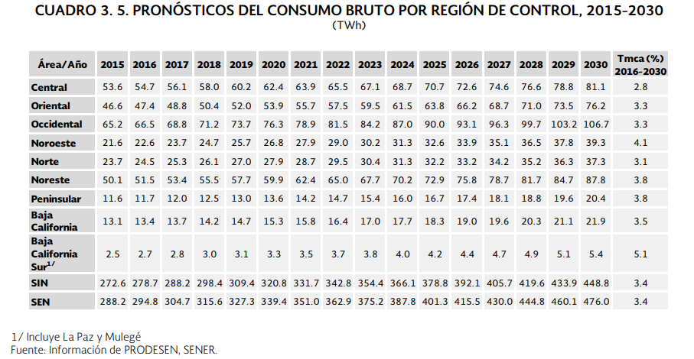
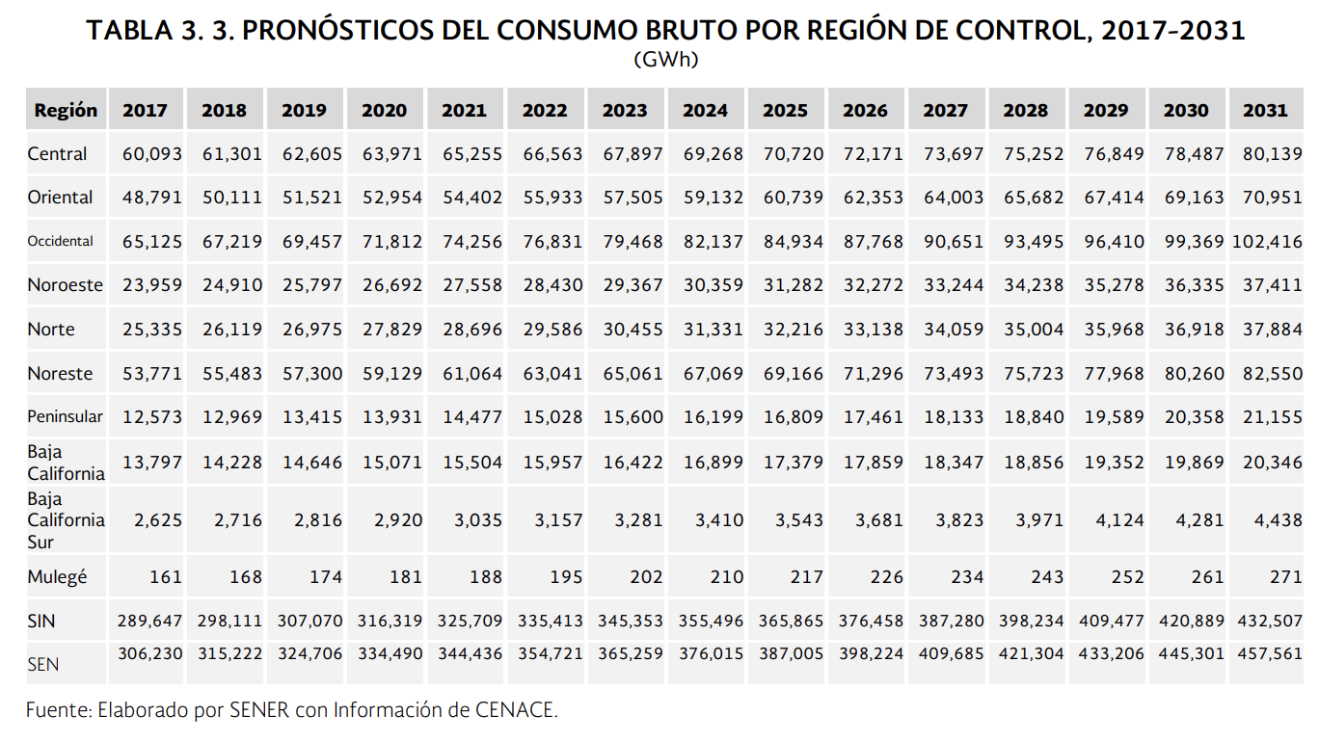

 |  |  |  |  |  |  |  |  |  |  |  |  |  |  |  |  | GR
 |  |  |  |  |  |  |  |  |  |  |  |  |  |  |  |  | 1.50%

Fuel | 2016 | 2017 | 2018 | 2019 | 2020 | 2021 | 2022 | 2023 | 2024 | 2025 | 2026 | 2027 | 2028 | 2029 | 2030 | 2031 | 2032 | 2033 | 2034 | 2035 | 2036 | 2037 | 2038 | 2039 | 2040 | 2041 | 2042 | 2043 | 2044 | 2045 | 2046 | 2047 | 2048 | 2049 | 2050
Electricity | 294,800 | 306,230 | 315,222 | 324,706 | 334,490 | 344,436 | 354,721 | 365,259 | 376,015 | 387,005 | 398,224 | 409,685 | 421,304 | 433,206 | 445,301 | 457,561 | 464,424 | 471,391 | 478,462 | 485,639 | 492,923 | 500,317 | 507,822 | 515,439 | 523,171 | 531,018 | 538,983 | 547,068 | 555,274 | 563,603 | 572,057 | 580,638 | 589,348 | 598,188 | 607,161
Growth rate |  |  |  | 1.000 | 1.030 | 1.061 | 1.092 | 1.125 | 1.158 | 1.192 | 1.226 | 1.262 | 1.297 | 1.334 | 1.371 | 1.409 | 1.430 | 1.452 | 1.474 | 1.496 | 1.518 | 1.541 | 1.564 | 1.587 | 1.611 | 1.635 | 1.660 | 1.685 | 1.710 | 1.736 | 1.762 | 1.788 | 1.815 | 1.842 | 1.870
 |  |  |  |  | 0.03 | 0.03 | 0.03 | 0.03 | 0.03 | 0.03 | 0.03 | 0.04 | 0.04 | 0.04 | 0.04 | 0.04 | 0.02 | 0.02 | 0.02 | 0.02 | 0.02 | 0.02 | 0.02 | 0.02 | 0.02 | 0.02 | 0.02 | 0.02 | 0.03 | 0.03 | 0.03 | 0.03 | 0.03 | 0.03 | 0.03
https://www.gob.mx/cms/uploads/attachment/file/284345/Prospectiva_del_Sector_El_ctrico_2017.pdf
https://www.gob.mx/cms/uploads/attachment/file/177626/Prospectiva_del_Sector_El_ctrico_2016-2030.pdf

NG & Biomass GR
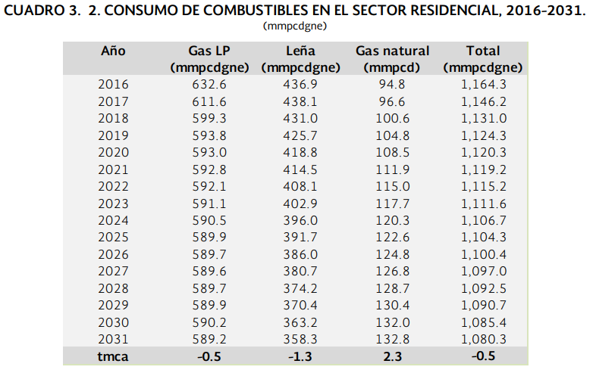

 |  |  |  |  |  |  |  |  |  |  |  |  |  |  |  |  |  | GR | https://www.gob.mx/cms/uploads/attachment/file/325639/Prospectiva_de_Gas_Natural_2017-2031.pdf
 |  |  |  |  |  |  |  |  |  |  |  |  |  |  |  |  | NG | 1.50%
 |  |  |  |  |  |  |  |  |  |  |  |  |  |  |  |  | Biomass | -0.5%
https://www.gob.mx/cms/uploads/attachment/file/325639/Prospectiva_de_Gas_Natural_2017-2031.pdf |  |  |  |  |  |  |  |  |  |  |  |  |  |  |  |  | GasLP | -0.5%

 |  | 2016 | 2017 | 2018 | 2019 | 2020 | 2021 | 2022 | 2023 | 2024 | 2025 | 2026 | 2027 | 2028 | 2029 | 2030 | 2031 | 2032 | 2033 | 2034 | 2035 | 2036 | 2037 | 2038 | 2039 | 2040 | 2041 | 2042 | 2043 | 2044 | 2045 | 2046 | 2047 | 2048 | 2049 | 2050
 | Natural gas | 727.4 | 708.2 | 699.9 | 698.6 | 701.5 | 704.7 | 707.1 | 708.8 | 710.8 | 712.5 | 714.5 | 716.4 | 718.4 | 720.3 | 722.2 | 722 | 732.83 | 743.82245 | 754.97978675 | 766.30448355 | 777.7990508 | 789.46603657 | 801.30802712 | 813.32764752 | 825.52756223 | 837.91047567 | 850.4791328 | 863.2363198 | 876.18486459 | 889.32763756 | 902.66755212 | 916.20756541 | 929.95067889 | 943.89993907 | 958.05843816
 | Growth rate |  |  |  | 1 | 1.0041511595 | 1.0087317492 | 1.0121671915 | 1.0146006298 | 1.0174634984 | 1.0198969367 | 1.0227598053 | 1.0254795305 | 1.0283423991 | 1.0310621242 | 1.0337818494 | 1.0334955626 | 1.048997996 | 1.0647329659 | 1.0807039604 | 1.0969145198 | 1.1133682376 | 1.1300687612 | 1.1470197926 | 1.1642250895 | 1.1816884658 | 1.1994137928 | 1.2174049997 | 1.2356660747 | 1.2542010658 | 1.2730140818 | 1.292109293 | 1.3114909324 | 1.3311632964 | 1.3511307459 | 1.3713977071
 | Biomass | 436.9 | 438.1 | 431 | 425.7 | 418.8 | 414.5 | 408.1 | 402.9 | 396 | 391.7 | 386 | 380.7 | 374.2 | 370.4 | 363.2 | 358.3 | 356.5085 | 354.7259575 | 352.95232771 | 351.18756607 | 349.43162824 | 347.6844701 | 345.94604775 | 344.21631751 | 342.49523593 | 340.78275975 | 339.07884595 | 337.38345172 | 335.69653446 | 334.01805179 | 332.34796153 | 330.68622172 | 329.03279061 | 327.38762666 | 325.75068853
 | Growth rate |  |  |  | 1 | 0.9837914024 | 0.9736903923 | 0.95865633075 | 0.94644115574 | 0.93023255814 | 0.92013154804 | 0.90674183697 | 0.89429175476 | 0.879022786 | 0.87009631196 | 0.85318299272 | 0.84167253935 | 0.83746417665 | 0.83327685577 | 0.82911047149 | 0.82496491913 | 0.82084009454 | 0.81673589406 | 0.81265221459 | 0.80858895352 | 0.80454600875 | 0.80052327871 | 0.79652066231 | 0.792538059 | 0.78857536871 | 0.78463249186 | 0.7807093294 | 0.77680578276 | 0.77292175384 | 0.76905714507 | 0.76521185935
 | LPG propane or butane (BTU) | 632.6 | 611.6 | 599.3 | 593.8 | 593 | 592.8 | 592.1 | 591.1 | 590.5 | 589.9 | 589.7 | 589.6 | 589.7 | 589.9 | 590.2 | 589.2 | 586.254 | 583.32273 | 580.40611635 | 577.50408577 | 574.61656534 | 571.74348251 | 568.8847651 | 566.04034127 | 563.21013957 | 560.39408887 | 557.59211843 | 554.80415783 | 552.03013704 | 549.26998636 | 546.52363643 | 543.79101825 | 541.07206315 | 538.36670284 | 535.67486932
 | Growth rate |  |  |  | 1 | 0.99865274503 | 0.99831593129 | 0.99713708319 | 0.99545301448 | 0.99444257326 | 0.99343213203 | 0.99309531829 | 0.99292691142 | 0.99309531829 | 0.99343213203 | 0.99393735264 | 0.99225328393 | 0.98729201751 | 0.98235555743 | 0.97744377964 | 0.97255656074 | 0.96769377794 | 0.96285530905 | 0.9580410325 | 0.95325082734 | 0.9484845732 | 0.94374215034 | 0.93902343959 | 0.93432832239 | 0.92965668078 | 0.92500839737 | 0.92038335539 | 0.91578143861 | 0.91120253142 | 0.90664651876 | 0.90211328616

 |  | Año | Gas LP | Leña | Gas natural | Total
 |  | (mmpcdgne) | (mmpcdgne) | (mmpcd) | (mmpcdgne) |  |  | Año | 2016 | 2017 | 2018 | 2019 | 2020 | 2021 | 2022 | 2023 | 2024 | 2025 | 2026 | 2027 | 2028 | 2029 | 2030 | 2031 | tca
 |  | 2016 | 632.6 | 436.9 | 94.8 | 1,164.30 |  | Gas LP | 632.6 | 611.6 | 599.3 | 593.8 | 593 | 592.8 | 592.1 | 591.1 | 590.5 | 589.9 | 589.7 | 589.6 | 589.7 | 589.9 | 590.2 | 589.2 | -0.5
 |  | 2017 | 611.6 | 438.1 | 96.6 | 1,146.20 |  | Leña | 436.9 | 438.1 | 431 | 425.7 | 418.8 | 414.5 | 408.1 | 402.9 | 396 | 391.7 | 386 | 380.7 | 374.2 | 370.4 | 363.2 | 358.3 | -1.3
 |  | 2018 | 599.3 | 431 | 100.6 | 1,131.00 |  | Gas natural | 94.8 | 96.6 | 100.6 | 104.8 | 108.5 | 111.9 | 115 | 117.7 | 120.3 | 122.6 | 124.8 | 126.8 | 128.7 | 130.4 | 132 | 132.8 | 2.3
 |  | 2019 | 593.8 | 425.7 | 104.8 | 1,124.30 |  | Total | 1164.3 | 1146.2 | 1131 | 1124.3 | 1120.3 | 1119.2 | 1115.2 | 1111.6 | 1106.7 | 1104.3 | 1100.4 | 1097 | 1092.5 | 1090.7 | 1085.4 | 1080.3 | -0.5
 |  | 2020 | 593 | 418.8 | 108.5 | 1,120.30
 |  | 2021 | 592.8 | 414.5 | 111.9 | 1,119.20
 |  | 2022 | 592.1 | 408.1 | 115 | 1,115.20
 |  | 2023 | 591.1 | 402.9 | 117.7 | 1,111.60
 |  | 2024 | 590.5 | 396 | 120.3 | 1,106.70
 |  | 2025 | 589.9 | 391.7 | 122.6 | 1,104.30
 |  | 2026 | 589.7 | 386 | 124.8 | 1,100.40
 |  | 2027 | 589.6 | 380.7 | 126.8 | 1,097.00
 |  | 2028 | 589.7 | 374.2 | 128.7 | 1,092.50
 |  | 2029 | 589.9 | 370.4 | 130.4 | 1,090.70
 |  | 2030 | 590.2 | 363.2 | 132 | 1,085.40
 |  | 2031 | 589.2 | 358.3 | 132.8 | 1,080.30
 |  | tmca | -0.5 | -1.3 | 2.3 | -0.5

Diesel GR
Sistema de Información Energética
Secretaría de Energía
Dirección General de Planeación e Información Energéticas
Balance Nacional de Energía: Consumo de energía en los sectores residencial, comercial y público
(petajoules)

 | REALES
 | 2000 | 2001 | 2002 | 2003 | 2004 | 2005 | 2006 | 2007 | 2008 | 2009 | 2010 | 2011 | 2012 | 2013 | 2014 | 2015 | 2016

Total sector residencial, comercial y público | 867.693148 | 853.786177 | 863.362628 | 873.997559 | 880.416107 | 873.271413 | 880.799445 | 911.458435 | 914.534453 | 910.416752 | 918.664056 | 922.306551 | 920.978139 | 909.560777 | 938.526764 | 952.0584 | 959.577558

Total petrolíferos | 359.881708 | 351.378543 | 354.529902 | 356.991429 | 358.986024 | 339.360565 | 339.966219 | 368.464851 | 364.471384 | 350.21514 | 360.375418 | 350.374138 | 344.942319 | 327.736013 | 326.801585 | 324.353031 | 316.646525
Gas licuado | 356.041192 | 347.585712 | 350.802393 | 353.462809 | 355.183222 | 335.530893 | 335.263987 | 363.571757 | 360.094698 | 346.042669 | 355.475914 | 344.90869 | 339.495755 | 321.988762 | 320.424473 | 316.559742 | 312.755846
Querosenos | 1.359 | 1.588 | 1.595 | 1.245239 | 1.426884 | 1.476697 | 1.848997 | 1.756476 | 0.831527 | 0.838832 | 1.177523 | 1.286764 | 1.206151 | 1.351008 | 1.914157 | 2.569817 | 1.924989
Diesel | 2.481516 | 2.204831 | 2.132509 | 2.283381 | 2.375918 | 2.352975 | 2.853235 | 3.136618 | 3.545159 | 3.333639 | 3.721981 | 4.178684 | 4.240413 | 4.396243 | 4.462955 | 5.223472 | 1.96569
Gas seco | 27.830624 | 29.916064 | 32.816325 | 35.227454 | 35.822898 | 42.062 | 42.533 | 39.144 | 39.147 | 41.385 | 41.368 | 40.826 | 42.345 | 44.9 | 52.991 | 50.775 | 51.834

Residencial | 731.17031 | 715.910124 | 719.802881 | 731.713834 | 738.86156 | 731.208671 | 733.415569 | 761.138892 | 763.515818 | 757.471987 | 765.28731 | 763.382413 | 757.892097 | 742.709449 | 754.14429 | 755.274026 | 756.612625
Total de petrolíferos | 294.134441 | 286.902548 | 286.737557 | 290.960993 | 294.60889 | 276.464601 | 274.133706 | 300.58197 | 298.811115 | 285.402876 | 293.705385 | 281.870622 | 275.582669 | 258.308876 | 259.020896 | 255.964097 | 249.469311
Gas licuado | 292.775441 | 285.314548 | 285.142557 | 289.715754 | 293.182006 | 274.987904 | 272.284709 | 298.825494 | 297.979588 | 284.564044 | 292.527862 | 280.583858 | 274.376518 | 256.957868 | 257.106739 | 253.39428 | 247.544322
Querosenos | 1.359 | 1.588 | 1.595 | 1.245239 | 1.426884 | 1.476697 | 1.848997 | 1.756476 | 0.831527 | 0.838832 | 1.177523 | 1.286764 | 1.206151 | 1.351008 | 1.914157 | 2.569817 | 1.924989
Gas seco | 20.975358 | 22.647479 | 24.944043 | 28.651659 | 29.212512 | 34.006 | 33.351 | 30.735 | 30.35 | 31.942 | 31.563 | 31.189 | 32.06 | 33.803 | 39.858 | 37.431 | 37.45

Comercial | 115.379838 | 116.373053 | 121.754747 | 120.147325 | 118.917747 | 118.842742 | 123.638276 | 125.807143 | 125.552235 | 124.853965 | 125.573946 | 129.803738 | 132.889242 | 133.42439 | 151.987894 | 164.417455 | 171.744774
Total de petrolíferos | 65.747267 | 64.475995 | 67.792345 | 66.030436 | 64.377134 | 62.895964 | 65.832513 | 67.882881 | 65.660269 | 64.812264 | 66.670033 | 68.503516 | 69.35965 | 69.427137 | 67.780689 | 68.388934 | 67.177214
Gas licuado | 63.265751 | 62.271164 | 65.659836 | 63.747055 | 62.001216 | 60.542989 | 62.979278 | 64.746263 | 62.11511 | 61.478625 | 62.948052 | 64.324832 | 65.119237 | 65.030894 | 63.317734 | 63.165462 | 65.211524
Diesel | 2.481516 | 2.204831 | 2.132509 | 2.283381 | 2.375918 | 2.352975 | 2.853235 | 3.136618 | 3.545159 | 3.333639 | 3.721981 | 4.178684 | 4.240413 | 4.396243 | 4.462955 | 5.223472 | 1.96569
Gas seco | 6.855266 | 7.268585 | 7.872282 | 6.575795 | 6.610386 | 8.056 | 9.182 | 8.409 | 8.797 | 9.443 | 9.805 | 9.637 | 10.285 | 11.097 | 13.133 | 13.344 | 14.384

Fuente: Sistema de Información Energética, SENER. |  |  |  |  |  |  |  |  |  |  |  |  |  |  |  |  |  |  |  |  |  | al 2031 | del 2031
 |  |  |  |  |  |  |  |  |  |  |  |  |  |  |  |  |  | TMCA |  |  |  | TMCA | TMCA
 | 2000 | 2001 | 2002 | 2003 | 2004 | 2005 | 2006 | 2007 | 2008 | 2009 | 2010 | 2011 | 2012 | 2013 | 2014 | 2015 | 2016 | 2008-2015 | 2009-2016 | 2009-2014 | 2001-2014
Querosenos | 1.359 | 1.588 | 1.595 | 1.245239 | 1.426884 | 1.476697 | 1.848997 | 1.756476 | 0.831527 | 0.838832 | 1.177523 | 1.286764 | 1.206151 | 1.351008 | 1.914157 | 2.569817 | 1.924989 | 17.49% | 12.60% | 17.9% | 1.4% | 17.49% | 1.45%
Diesel | 2.481516 | 2.204831 | 2.132509 | 2.283381 | 2.375918 | 2.352975 | 2.853235 | 3.136618 | 3.545159 | 3.333639 | 3.721981 | 4.178684 | 4.240413 | 4.396243 | 4.462955 | 5.223472 | 1.96569 | 5.69% | -7.27% | 6.0% | 5.6% | 5.69% | 5.57%

SUMA | 3.840516 | 3.792831 | 3.727509 | 3.52862 | 3.802802 | 3.829672 | 4.702232 | 4.893094 | 4.376686 | 4.172471 | 4.899504 | 5.465448 | 5.446564 | 5.747251 | 6.377112 | 7.793289 | 3.890679 | 8.59% | -0.99% | 8.9% | 4.1% | 8.59% | 4.08%

 | Querosenos | Diesel
2000 | 1.359 | 2.481516
2001 | 1.588 | 2.204831
2002 | 1.595 | 2.132509
2003 | 1.245239 | 2.283381
2004 | 1.426884 | 2.375918
2005 | 1.476697 | 2.352975
2006 | 1.848997 | 2.853235
2007 | 1.756476 | 3.136618
2008 | 0.831527 | 3.545159
2009 | 0.838832 | 3.333639
2010 | 1.177523 | 3.721981
2011 | 1.286764 | 4.178684
2012 | 1.206151 | 4.240413
2013 | 1.351008 | 4.396243
2014 | 1.914157 | 4.462955
2015 | 2.569817 | 5.223472
2016 | 1.924989 | 1.96569

Heat GR
CALENTADORES SOLARES
http://www.anes.org/cms/balance_energia.php
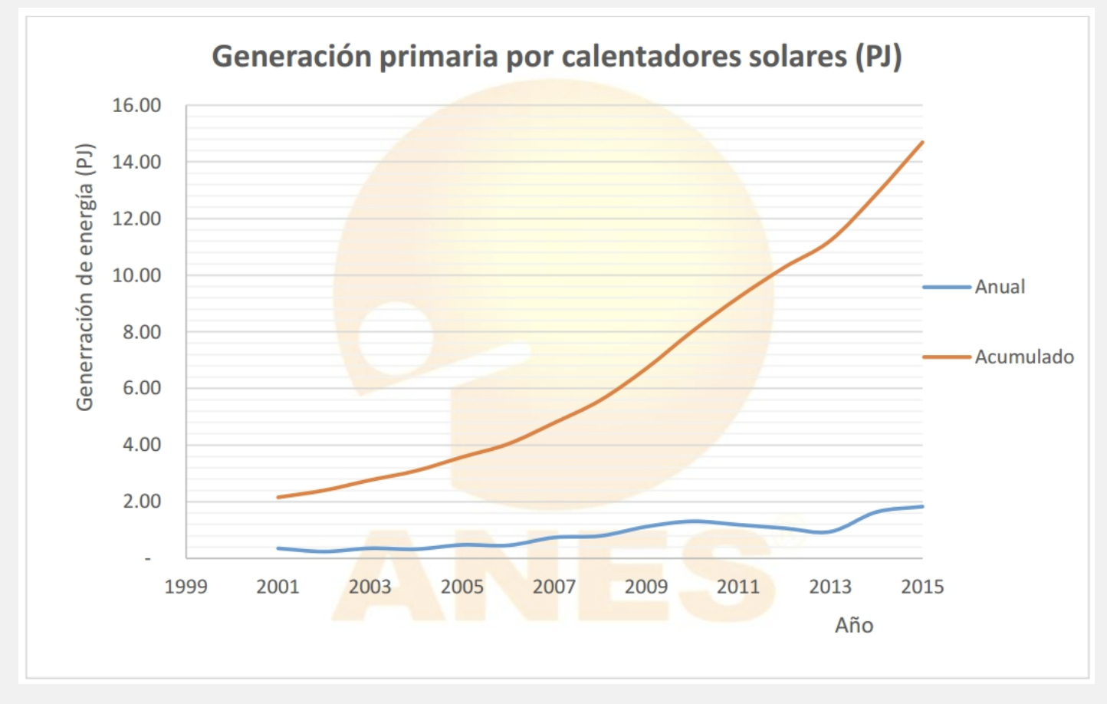
 | Año | Superficie instalada | TACC
 | 2015 | 14.80 | 14.6%
 | 2001 | 2.20

 | Año | Superficie instalada | TACC
 | 2015 | 3.00E+06 | 13.7%
 | 2001 | 5.00E+05

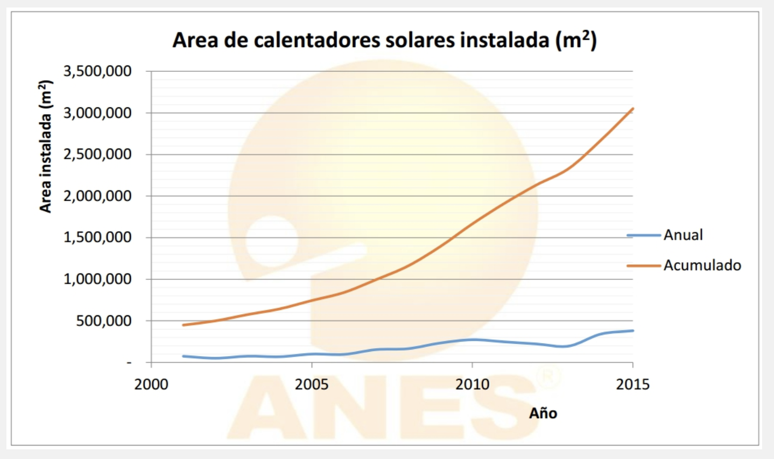

 |  |  |  |  |  |  |  |  | CAGR
 |  |  |  |  |  |  |  |  | 11.3%
 |  |  |  |  | 2014 | 2015 | 2016 | 2017 | 2018 | 2019 | 2020 | 2021 | 2022 | 2023 | 2024 | 2025 | 2026 | 2027 | 2028 | 2029 | 2030
 |  |  | Superficie total instalada de calentadores solares de agua | 1000 m2 | 2,818 | 2,817 | 3,376 | 3,919 | 4,324 | 4,826.33 | 5,328.67 | 5,831.00 | 6,333.33 | 6,835.67 | 7,338.00 | 7,840.33 | 8,342.67 | 8,845.00 | 9,347.33 | 9,849.67 | 10,352.00
 |  |  | INCREASE | 502.33 | 0 | -1 | 559 | 543 | 405

